Meals Calculations
Meals provided for guests
User entries |  |  |  |  |  |  |  | Emissions
# of guests | # of meals served per day | # of days | % meals (unspecified or contains meat) | % meals vegetarian | # of meals total | U.S. Average/ omnivorous | Vegetarian diet | lbs CO2e | MT CO2e
50 | 2 | 1 | 0.64 | 0.36 | 100 | 5.27 | 3.54 | 465 | 0.21

 | adapted from table 3 below | Annual emissions (MT CO2e) | Emissions per meal (lb CO2e)
 | U.S. Average/ omnivorous | 2.6 | 5.3
 | Vegetarian diet | 1.8 | 3.5

source: | http://www.jhsph.edu/sebin/g/w/kim_neff_carbon_calculators.pdf
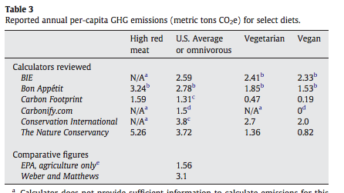

 |  |  |  |  |  | <--- Carbonfund.Org takes an average of this table to calculate

The Johns Hopkins Center for a Livable Future, Johns Hopkins Bloomberg School of Public Health, 615 N. Wolfe Street, Baltimore, MD, 21205, USA, 2009

Interesting sources:
http://www.unep.org/pdf/UNEP-GEAS_OCT_2012.pdf
http://static.ewg.org/reports/2011/meateaters/pdf/methodology_ewg_meat_eaters_guide_to_health_and_climate_2011.pdf
http://ccafs.cgiar.org/bigfacts/food-system-emissions/
http://www.thedailygreen.com/weird-weather/weather-categories/global-warming-pictures/carbon-footprint-of-food-0717
http://www.ewg.org/meateatersguide/a-meat-eaters-guide-to-climate-change-health-what-you-eat-matters/reducing-your-footprint/
http://shrinkthatfootprint.com/food-carbon-footprint-diet

